Diagrams
BMS5M2 Temperature
 | Unprotected beam | Protected beam | Slab
0 | 20 | 20 | 20
1 | 349.21366576 | 250.44956603 | 168.14614959
2 | 444.50487788 | 317.15341451 | 211.02719504
3 | 502.28930299 | 357.60251209 | 237.03018635
4 | 543.88730926 | 386.72111648 | 255.74928917
5 | 576.41043057 | 409.4873014 | 270.38469376
6 | 603.11764761 | 428.18235333 | 282.40294142
7 | 625.77682521 | 444.04377764 | 292.59957134
8 | 645.45510804 | 457.81857563 | 301.45479862
9 | 662.84638674 | 469.99247072 | 309.28087403
10 | 678.42733151 | 480.89913206 | 316.29229918
11 | 692.53955229 | 490.7776866 | 322.64279853
12 | 705.43624832 | 499.80537383 | 328.44631174
13 | 717.31030818 | 508.11721573 | 333.78963868
14 | 728.312063 | 515.8184441 | 338.74042835
15 | 738.56095276 | 522.99266693 | 343.35242874
16 | 748.15345005 | 529.70741504 | 347.66905252
17 | 757.16859567 | 536.01801697 | 351.72586805
18 | 765.67196077 | 541.97037254 | 355.55238235
19 | 773.71854363 | 547.60298054 | 359.17334463
20 | 781.35492723 | 552.94844906 | 362.60971725
21 | 788.62091309 | 558.03463916 | 365.87941089
22 | 795.55077689 | 562.88554383 | 368.9978496
23 | 802.1742463 | 567.52197241 | 371.97841083
24 | 808.51727161 | 571.96209013 | 374.83277222
25 | 814.60263981 | 576.22184787 | 377.57118791
26 | 820.45046871 | 580.3153281 | 380.20271092
27 | 826.07860818 | 584.25502572 | 382.73537368
28 | 831.50296875 | 588.05207812 | 385.17633594
29 | 836.73779275 | 591.71645493 | 387.53200674
30 | 841.79587969 | 595.25711578 | 389.80814586
31 | 846.68877475 | 598.68214232 | 392.00994864
32 | 851.42692755 | 601.99884928 | 394.1421174
33 | 856.01982651 | 605.21387856 | 396.20892193
34 | 860.47611323 | 608.33327926 | 398.21425095
35 | 864.80368037 | 611.36257626 | 400.16165617
36 | 869.00975575 | 614.30682903 | 402.05439009
37 | 873.10097501 | 617.17068251 | 403.89543876
38 | 877.08344457 | 619.9584112 | 405.68755006
39 | 880.96279645 | 622.67395752 | 407.4332584
40 | 884.74423618 | 625.32096533 | 409.13490628
41 | 888.43258479 | 627.90280935 | 410.79466316
42 | 892.0323158 | 630.42262106 | 412.41454211
43 | 895.5475878 | 632.88331146 | 413.99641451
44 | 898.98227336 | 635.28759135 | 415.54202301
45 | 902.33998466 | 637.63798926 | 417.0529931
46 | 905.62409632 | 639.93686743 | 418.53084335
47 | 908.83776582 | 642.18643607 | 419.97699462
48 | 911.98395168 | 644.38876618 | 421.39277826
49 | 915.06542988 | 646.54580092 | 422.77944345
...

BMS5M2 Vertical Displacements
 | Node 148 | Node 167 | Node 10 | Node 325 | Central node
0 | -0.13831315976 | -0.13831315976 | -0.20411641936 | -0.20411641936 | -0.423059298
0 | -0.27670147208 | -0.27670147208 | -0.4083213849 | -0.4083213849 | -0.84632607104
0 | -0.41516487851 | -0.41516487851 | -0.61261504153 | -0.61261504153 | -1.2697998294
0 | -0.55370333607 | -0.55370333607 | -0.81699757895 | -0.81699757895 | -1.6934801746
0 | -0.69231680279 | -0.69231680279 | -1.0214691862 | -1.0214691862 | -2.1173667099
0 | -0.83100523278 | -0.83100523278 | -1.2260300525 | -1.2260300525 | -2.5414590283
0 | -0.96976858111 | -0.96976858112 | -1.4306803663 | -1.4306803663 | -2.9657567242
0 | -1.1086068022 | -1.1086068022 | -1.6354203155 | -1.6354203155 | -3.3902593898
0 | -1.24751985 | -1.24751985 | -1.8402500877 | -1.8402500877 | -3.8149666148
0 | -1.3865076774 | -1.3865076774 | -2.04516987 | -2.04516987 | -4.2398779866
0.125 | -3.904019076 | -3.903180789 | -8.8248611358 | -8.8230768251 | -18.395444859
0.25 | -4.900387952 | -4.8974413578 | -12.813942736 | -12.817210937 | -25.762707271
0.375 | -5.7203340777 | -5.7183907667 | -15.82725689 | -15.828307143 | -31.319987317
0.5 | -6.4068995278 | -6.4052517087 | -18.187778784 | -18.188974767 | -35.85954109
0.625 | -6.9872846161 | -6.9856606518 | -20.152407645 | -20.153592194 | -39.665869042
0.75 | -7.4919537505 | -7.4901523267 | -21.840875813 | -21.84199257 | -42.951392817
0.875 | -7.9357543646 | -7.9338816605 | -23.324130152 | -23.325323557 | -45.830326046
1 | -8.3368418491 | -8.3349054798 | -24.64514996 | -24.646454159 | -48.429696531
1.5 | -9.6477560888 | -9.6456503565 | -28.835638656 | -28.836187556 | -56.710916927
2 | -10.631608827 | -10.629376029 | -31.985155052 | -31.985621956 | -62.804693593
3 | -12.108956075 | -12.106318178 | -36.505924274 | -36.504309222 | -71.531024416
4 | -13.170458527 | -13.167342624 | -39.885696188 | -39.880485734 | -77.761051904
5 | -14.012653802 | -14.009745426 | -42.50924873 | -42.505143372 | -82.458622601
6 | -14.717247979 | -14.714224738 | -44.602982262 | -44.598453327 | -86.040849208
7 | -15.326417829 | -15.323199739 | -46.392337099 | -46.387532746 | -89.004920775
8 | -15.886874825 | -15.883520903 | -47.932150176 | -47.926982054 | -91.436966911
9 | -16.395945565 | -16.39256964 | -49.275063971 | -49.269619224 | -93.559939844
10 | -16.860870043 | -16.857525666 | -50.393875487 | -50.388503869 | -95.476405917
11 | -17.292815704 | -17.289430122 | -51.288038205 | -51.282547164 | -97.32112775
12 | -17.691350901 | -17.68794876 | -52.132814985 | -52.126904708 | -99.223312026
13 | -18.192718954 | -18.189292259 | -53.544289942 | -53.53802881 | -101.53217471
14 | -18.676396817 | -18.673051736 | -54.930169452 | -54.923877223 | -103.79802997
15 | -19.13566368 | -19.132177028 | -56.256989484 | -56.250684144 | -106.0017221
16 | -19.563605996 | -19.560090948 | -57.510844737 | -57.504560581 | -108.14296465
17 | -19.986970148 | -19.983347448 | -58.525548481 | -58.519246165 | -109.13414284
18 | -20.402751179 | -20.399021437 | -59.465964252 | -59.459985712 | -109.9328648
19 | -20.80854077 | -20.804719676 | -60.380214642 | -60.374651361 | -110.7814517
20 | -21.204562679 | -21.200541177 | -61.295802199 | -61.291761568 | -111.69430686
21 | -21.593590171 | -21.589337606 | -62.19870643 | -62.197331226 | -112.67059694
22 | -21.990305684 | -21.984505124 | -63.056181253 | -63.069908223 | -113.84464294
23 | -22.366798923 | -22.362415289 | -63.999756511 | -64.014831396 | -114.81816538
24 | -22.750375212 | -22.741663776 | -65.028314712 | -65.023873322 | -115.68048797
25 | -23.121522902 | -23.106708688 | -66.065101872 | -66.0598475 | -116.45481054
26 | -23.484439948 | -23.470139489 | -67.104258575 | -67.099115379 | -117.20831863
27 | -23.840270458 | -23.827475781 | -68.154565016 | -68.148745987 | -117.95401568
28 | -24.194762692 | -24.184593586 | -69.211928327 | -69.204782595 | -118.75992062
29 | -24.54977091 | -24.540724565 | -70.281265487 | -70.273051468 | -119.61498119
30 | -24.907917446 | -24.898828827 | -71.374045163 | -71.365198759 | -120.53580842
31 | -25.277388194 | -25.26804046 | -72.511116376 | -72.502303491 | -121.5841268
32 | -25.591773858 | -25.582282569 | -73.442126025 | -73.434259567 | -122.52542823
...

BMS5M2 Axial force at central-node
 | Beam 16 | Beam 17
0 | -21123.141985 | -20491.759976
0 | -42260.336623 | -40997.146588
0 | -63411.562422 | -61516.140932
0 | -84576.792753 | -82048.718045
0 | -105756.00121 | -102594.8532
0 | -126949.16076 | -123154.52104
0 | -148156.24434 | -143727.69621
0 | -169377.22473 | -164314.35318
0 | -190612.07454 | -184914.46625
0 | -211860.76617 | -205528.00955
0.125 | 196621.89205 | 199336.17368
0.25 | 426806.19572 | 429249.32415
0.375 | 581064.25063 | 582739.4421
0.5 | 687120.15064 | 688566.80169
0.625 | 768313.81915 | 770005.8711
0.75 | 827655.14281 | 829347.5831
0.875 | 873904.34792 | 875920.04602
1 | 889006.20111 | 892420.12439
1.5 | 873223.52506 | 877706.83521
2 | 877529.08956 | 881817.06497
3 | 714989.93253 | 719694.17932
4 | 714462.47145 | 719048.3071
5 | 694276.63748 | 699166.48873
6 | 655647.50898 | 660832.43871
7 | 619711.21489 | 625052.81878
8 | 577306.09914 | 582803.159
9 | 535051.06492 | 540662.03135
10 | 498530.6251 | 504233.22392
11 | 459793.3001 | 465584.82844
12 | 426641.3727 | 432442.65207
13 | 402151.05196 | 407889.86263
14 | 379041.03743 | 384782.71146
15 | 356458.36117 | 362207.39174
16 | 334497.14205 | 340247.10236
17 | 308364.50616 | 314124.03342
18 | 281138.10431 | 286927.56314
19 | 254834.49188 | 260641.68269
20 | 234887.68959 | 240704.0434
21 | 217480.39726 | 223297.23472
22 | 199510.1854 | 205571.71169
23 | 184592.57314 | 190680.28454
24 | 172062.15323 | 178113.21299
25 | 160510.41544 | 166726.73771
26 | 149597.02801 | 155841.58071
27 | 139266.93067 | 145763.11119
28 | 129008.76735 | 135738.13953
29 | 118209.83151 | 125091.56136
30 | 107802.06005 | 114792.9018
31 | 97464.544764 | 104567.06494
32 | 88008.123657 | 95321.54476
...

Deflected shape
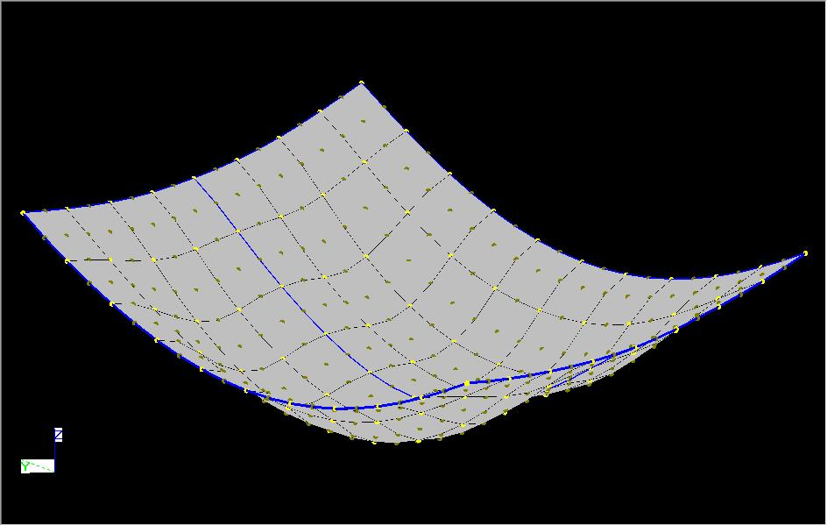
BMS5 - Medium 2

NB. This displacments shown above are scale by a factor of 10 in all direction.

